Part B.
TIME (sec) vs. DISTANCE (feet)
TIME (sec) | DISTANCE (feet)
10 | 200
20 | 300
30 | 400
40 | 500
50 | 600
60 | 700
70 | 800
80 | 900
90 | 1000

Part C.
STUDENT | HEIGHT (in.) | Standard Deviation: | 1.9851637212
1 | 70.6 | Mean: | 70.175
2 | 71.1 | Median: | 70.3
3 | 73.3 | Mode: | 71.1
4 | 72.6 | Min: | 66.5
5 | 70 | Max: | 73.8
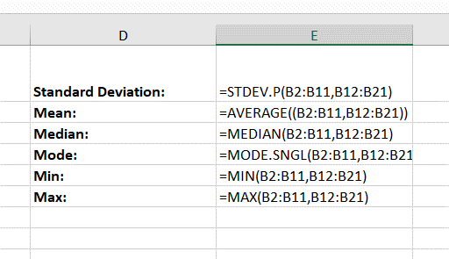
6 | 71.1
7 | 66.5
8 | 71.1
9 | 67
10 | 68.8
11 | 70.2
12 | 72
13 | 70.4
14 | 69.8
15 | 69
16 | 69.4
17 | 68.3
18 | 73.8
19 | 66.9
20 | 71.6

Part D.
Histogram
 | Frequency
0 | 0
11 | 0
21 | 0
31 | 0
41 | 2
51 | 3
61 | 2
71 | 8
81 | 9
91 | 4
101 | 2
More | 0
STUDENT | SCORE | INTERVALS
1 | 87 | 0
2 | 64 | 11
3 | 74 | 21
4 | 56 | 31
5 | 95 | 41
6 | 74 | 51
7 | 76 | 61
8 | 67 | 71
9 | 82 | 81
10 | 67 | 91
11 | 91 | 101
12 | 64
13 | 71 | Bin | Frequency
14 | 41 | 0 | 0
15 | 78 | 11 | 0
16 | 71 | 21 | 0
17 | 41 | 31 | 0
18 | 77 | 41 | 2
19 | 74 | 51 | 3
20 | 56 | 61 | 2
21 | 79 | 71 | 8
22 | 90 | 81 | 9
23 | 47 | 91 | 4
24 | 44 | 101 | 2
25 | 79 | More | 0
26 | 96
27 | 69 | Min: | 41
28 | 66 | Max: | 96
29 | 50 | Mean: | 72.5
30 | 77 | Median: | 69.555555556

Histogram
Histogram
Bin | Frequency
0 | 0
11 | 0
21 | 0
31 | 0
41 | 2
51 | 3
61 | 2
71 | 8
81 | 9
91 | 4
101 | 2
More | 0

